Simple Average
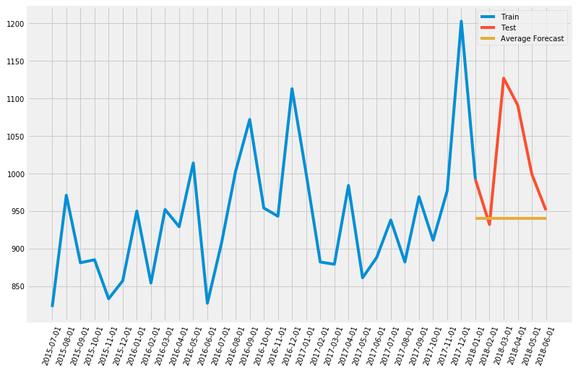
Such forecasting technique which forecasts the expected value equal to the average of all previously observed points is called Simple Average technique.

Simple Exponential Smoothing
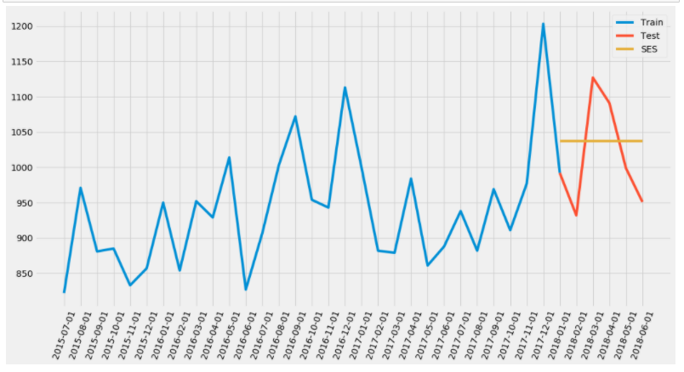
As we can see, 1−α is multiplied by the previous expected value ŷ x−1 which makes the expression recursive. And this is why this method is called Exponential. The forecast at time t+1 is equal to a weighted average between the most recent observation yt and the most recent forecast ŷ t|t−1.

Holt’s Linear Trend method
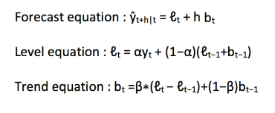
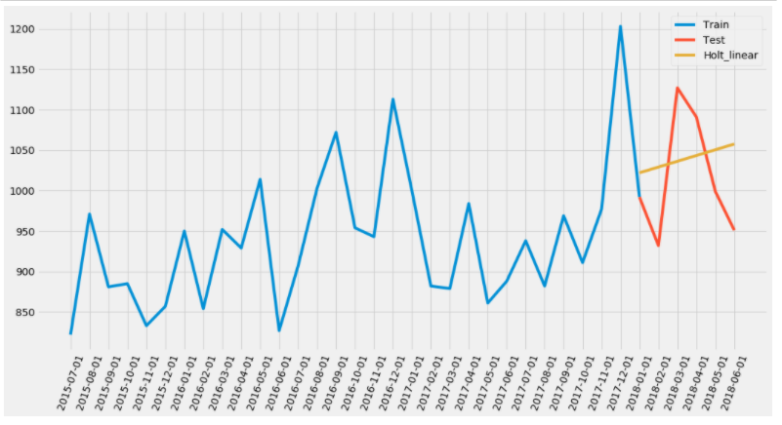
Holt extended simple exponential smoothing to allow forecasting of data with a trend. It is nothing more than exponential smoothing applied to both level(the average value in the series) and trend. To express this in mathematical notation we now need three equations: one for level, one for the trend and one to combine the level and trend to get the expected forecast ŷ

Holt-Winters Method
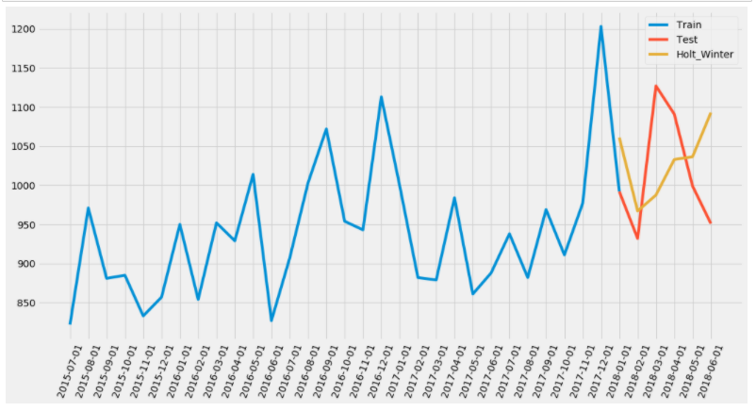
Using Holt’s winter method will be the best option among the rest of the models beacuse of the seasonality factor. The Holt-Winters seasonal method comprises the forecast equation and three smoothing equations — one for the level ℓt, one for trend bt and one for the seasonal component denoted by st, with smoothing parameters α, β and γ.

SARIMA
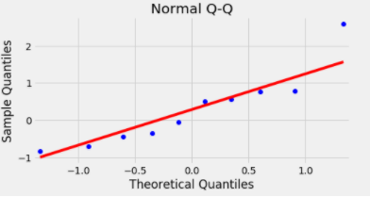
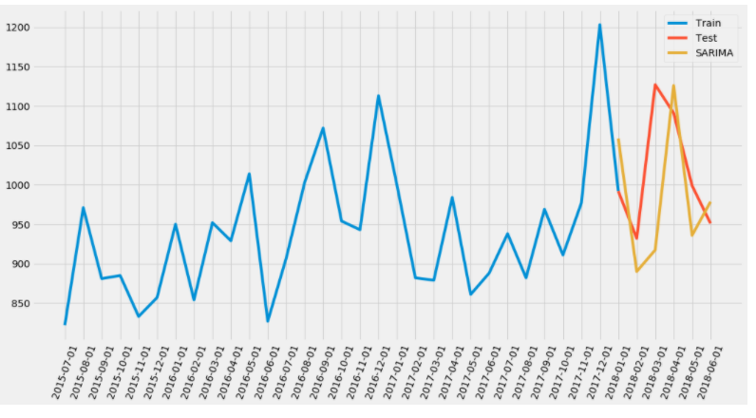
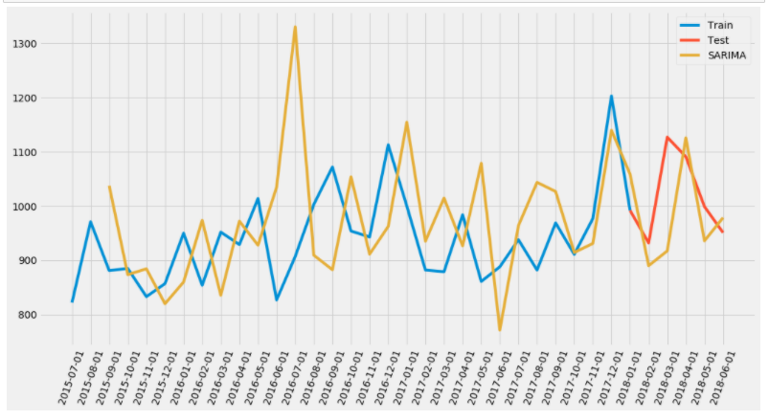
Seasonal Autoregressive Integrated Moving Average, SARIMA or Seasonal ARIMA, is an extension of ARIMA that explicitly supports univariate time series data with a seasonal component.The model will be represented as SARIMA(p,d,q)x(P,D,Q), where, P, D and Q are SAR, order of seasonal differencing and SMA terms respectively and 'x' is the frequency of the time series. |  | Trend Elements There are three trend elements that require configuration. They are the same as the ARIMA model; specifically: p: Trend autoregression order. d: Trend difference order. q: Trend moving average order. Seasonal Elements There are four seasonal elements that are not part of ARIMA that must be configured; they are: P: Seasonal autoregressive order. D: Seasonal difference order. Q: Seasonal moving average order. m: The number of time steps for a single seasonal period.

We have developped code to Generate all different combinations of p, q and q triplets. Our goal here is to use a “grid search” to find the optimal set of parameters that yields the best performance for our model.

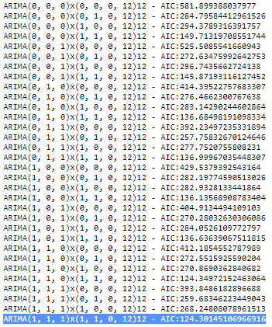

 | Model

 |  |  | The summary attribute that results from the output of SARIMAX returns a significant amount of information, but we’ll focus our attention on the table of coefficients. The coef column shows the weight (i.e. importance) of each feature and how each one impacts the time series. The P>|z| column informs us of the significance of each feature weight. Here, each weight has a p-value lower or close to 0.05, so it is reasonable to retain all of them in our model.

 |  |  |  | When fitting seasonal ARIMA models (and any other models for that matter), it is important to run model diagnostics to ensure that none of the assumptions made by the model have been violated. The plot_diagnostics object allows us to quickly generate model diagnostics and investigate for any unusual behavior.

